Order Form
ORDER FORM
Handcrafted Norwegian design climbing holds. Chalkheads united, suit up! |  |  |  |  |  |  | contact@arcticgrips.com |  |  | IBAN/BIC: NO3642124404732 |  |  | Phone: (0047) 468 96 767
 |  |  |  |  |  |  | www.arcticgrips.com |  |  | Acc. Nr: 4212.44.04732 |  |  | Thors vei 13c, 7035 Trondheim, Norway

CUSTOMER, NAME (COMPANY) | i.e. The greatest climbing gym
VAT. NUMBER | i.e. 1234
 | Zip code / postal nr. |  |  | Country: |  |  | Address:
DELIVERY ADDRESS | i.e. 1234 |  |  | i.e. Norway |  |  | Somewhere, street, entrance etc.
INVOICE ADRESS | i.e. 1234 |  |  | i.e. Norway |  |  | i.e. Somewhere else. Somewhere nice.
E-MAIL | i.e. greatest_gym@gmail.com
PHONE | i.e. (0047)93466445

FLATANGER RANGE
 | COLORS AND COLOR CODES (see info below) |  |  |  |  |  |  |  |  |  |  |  |  | prices in NOK ,- (See convertion below)
PRODUCT NAME (unit) | White | Yellow2 | Pink13 | Red76 | Red5 | Blue7 | Black10 | Orange 11 | Green12 | Green69 | Green77 | Purple78 | Purple16 | qty. | Unit Cost Inc. VAT. | VAT. | Sum Ex. VAT.
Crimps (7 pcs set) |  |  |  |  |  |  |  |  |  |  |  |  |  | 0 | 599 | 0 | 0
Crack 1 |  |  |  |  |  |  |  |  |  |  |  |  |  | 0 | 2799 | 0 | 0
Crack 2 |  |  |  |  |  |  |  |  |  |  |  |  |  | 0 | 2799 | 0 | 0
Crack 3 |  |  |  |  |  |  |  |  |  |  |  |  |  | 0 | 1699 | 0 | 0
Crack smalls bundle (9 pcs set) |  |  |  |  |  |  |  |  |  |  |  |  |  | 0 | 949 | 0 | 0
Cracks volcano (2 pcs set) |  |  |  |  |  |  |  |  |  |  |  |  |  | 0 | 699 | 0 | 0
Fried Egg 1 |  |  |  |  |  |  |  |  |  |  |  |  |  | 0 | 499 | 0 | 0
Fried Egg 2 |  |  |  |  |  |  |  |  |  |  |  |  |  | 0 | 499 | 0 | 0
Fried Egg 3 |  |  |  |  |  |  |  |  |  |  |  |  |  | 0 | 599 | 0 | 0
Fried Egg 4 |  |  |  |  |  |  |  |  |  |  |  |  |  | 0 | 949 | 0 | 0
Fried Egg 5 |  |  |  |  |  |  |  |  |  |  |  |  |  | 0 | 1599 | 0 | 0
Fried Egg 6 |  |  |  |  |  |  |  |  |  |  |  |  |  | 0 | 2949 | 0 | 0
Slab 2 |  |  |  |  |  |  |  |  |  |  |  |  |  | 0 | 699 | 0 | 0
Slab 3 |  |  |  |  |  |  |  |  |  |  |  |  |  | 0 | 2949 | 0 | 0
Slab 4 |  |  |  |  |  |  |  |  |  |  |  |  |  | 0 | 2899 | 0 | 0
Slab 5 |  |  |  |  |  |  |  |  |  |  |  |  |  | 0 | 2849 | 0 | 0
Slab 6 |  |  |  |  |  |  |  |  |  |  |  |  |  | 0 | 2849 | 0 | 0
Ledges Large (5 pcs set) |  |  |  |  |  |  |  |  |  |  |  |  |  | 0 | 1699 | 0 | 0
Ledges Small (7 pcs set) |  |  |  |  |  |  |  |  |  |  |  |  |  | 0 | 1249 | 0 | 0
Foot holds (45 pcs set) |  |  |  |  |  |  |  |  |  |  |  |  |  | 0 | 1499 | 0 | 0
Complete Flatanger series (89 pcs) |  |  |  |  |  |  |  |  |  |  |  |  |  | 0 | 33330 | 0 | 0
Total to pay ( 0% VAT.) |  |  |  |  |  |  |  |  |  |  |  |  |  | 0 |  |  | 0
25% VAT. (Norwegian rate) |  |  |  |  |  |  |  |  |  |  |  |  |  |  |  |  | 0

i.e. The greatest climbing gym |  | has typed in an order with Arctic Grips for a grand total of |  |  |  |  |  |  |  | 0 |  | NOK, inc. estimate shipping* |  |  |  | Thank You!
 |  |  |  |  |  |  |  |  | Equals≈ | 0.0 |  | €uros

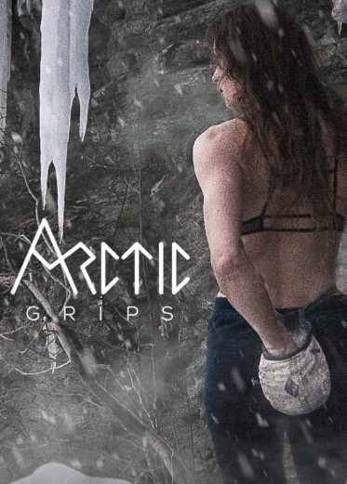
INFO: | USING THE ORDER FORM:
 | // Fill in customer info (delete the dummy text)
 | // Chose quantity and color for each product
 | // Save file, and send as attachment to sales@arcticgrips.com
 | // VAT. Rules apply as described in our terms & conditions (sheet below, or www.arcticgrips.com/conditions)
 | // All holds ship from CompositeX factory in Bulgaria, to customer
 | // Shipping quote will be mended after placing the order, and confirmed by customer before shipping
 | // When placing your order, you accept our Terms & conditions
 | // All prices are in Norwegian Kroner. 1€≈10NOK |  |  |  |  |  | Est. total converted to euro≈ |  |  | 0.0 |  | €

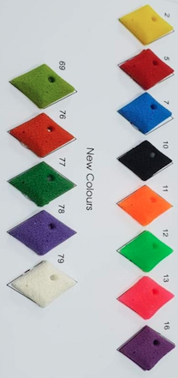
Color palette:

